6.01
周次 | Chapter | Lecture | Software Lab (SL) | Design Lab (DL) | Additional Exercises | Nano-Quiz | Homework | Receiption
1 | Think Python | Lecture 0.0: Python Toturial (added) | Python Toturial (added)
2 | Think Python | Lecture 0.5: Python Toturial (added) | Python Toturial (added)
3 | 1-3 | Lecture 1: Object-Oriented Programming | Design Lab 1: Object-Oriented Programming; 1.3.1-1.3.6 | Design Lab 0: Introduction (added) | 1.4.1-1.4.11 | 1.2 |  | Recitation 1: Object-Oriented Programming; Recitation 2: Inheritance
4 | 4 | Lecture 2: Primitives, Combination, Abstraction, and Patterns | Software Lab 2: State Machines; 2.1.1-2.1.5 | Design Lab 2: Controlling Robots | 2.3.1-2.3.5 | 2.2 | Homework 1: Calculator | Recitation 3: Python Notables; Recitation 4: State Machines
5 | 4 | Lecture 3: Signals and Systems | Software Lab 3: Composing State Machines; 3.1.1-3.1.6 | Design Lab 3: All Carrot, No Stick | 3.3.1-3.3.4 | 3.2
6 | 5.1-5.4 | Lecture 4: LTI Signals and Systems (no PPT) | Software Lab 4: Signal Class; 4.1.1-4.1.5 | Design Lab 4: Hitting the Wall; 4.2.1; 4.3.1-4.3.6 (simulation) | 4.4.1-4.4.3 | 4.2 |  | Recitation 5: LTI Motivations and Representations; Recitation 6: System Equivalences
7 | 5.4-5.7 | Lecture 5: Characterizing System Performance | Software Lab 5: System Functions; 5.1.1-5.1.5 | Design Lab 5: Staggering Proportions; 5.2.1; 5.3.2; 5.3.4 (simulation) | 5.4.1 | 5.2 | Homework 2: Heads Up! ; 5.5.1-5.5.4 | Recitation 7: Poles, Part I; Recitation 8: Poles, Part II
8 | 5 | Lecture 6: Designing Control Systems | Homework 2 (HW2 is together with DL5) | Design Lab 6: Sizable Following; 6.1.1; 6.1.3 | 6.2.1; 6.2.2 | 6.2 | HW2 is the preliminary of DL7
9 | 6.1-6.6 | Lecture 7: Circuits |  | Design Lab 7: For Your Eyes Only; 7.1.2 | 7.2.1-7.2.6 | 7.2 |  | Recitation 9: Circuits: Representation, KVL, KCL; Recitation 10: Circuits: NVCC, Sample Problem
10 | 6.6 | Lecture 8: Op-Amps | Software Lab 8: Describing Circuits; 8.1.1-8.1.4 | Design Lab 8: Turning Heads | 8.3.1-8.3.6 | 8.2 | Homework 3: Head Light; 8.4.1-8.4.4 | Recitation 11: Op-Amps
11 | 6 | Lecture 9: Circuit Abstractions | Software Lab 9: Real Gain | Design Lab 9: A Real Head-Turner | 9.3.1-9.3.4; 10.3.6-10.3.9 |  | HW3 is the supplement of DL7-8 | Recitation 12: Thevenin/Norton Equivalence and Superposition
12 | 7.1-7.4 | Lecture 10: Discrete Probability and State Estimation | Software Lab 10: Distributions | Design Lab 10: Robot Pets | 10.3.1-10.3.5 |  |  | Recitation 13: Probability: Basics
13 | 7.5-7.8 | Lecture 11: State Estimation (no PPT) | Software Lab 12: I think therefore where am I; 12.2.1-12.2.3 | Design Lab 11: Robots in Hallways; 11.1.1-11.1.7 |  | 11.2 | Homework 4: Distributions; 11.2.1-11.2.3 | Recitation 14: Probability: State Estimation
14 | 8.1-8.4 | Lecture 12: Search Algorithms | Software Lab 13: Farmer Goat Wolf Cabbage; 13.1.1-13.1.2 | Design Lab 13: I Walk the Line | 13.3.1-13.3.7 | 12.3 |  | Recitation 15: Search: Basics
15 | 8.5-8.6 | Lecture 13: Optimizing a Search | Software Lab 14: Plan from Outer Space; 14.1.1-14.1.2 | Design Lab 14: I'm the Map!; 14.2.3; 14.2.6 |  |  |  | Recitation 16: Search: Dynamic Programming, Costs and Heuristics
16 |  | Review and conclusion

注： 1. 2023-2024-1学期理论课是周一3-4节，上课教室是振声苑N113。一般在理论课后上Software Lab和Design Lab。 2. Design Lab 地点是公共(创新)实验教学中心K2楼422，分组做实验。

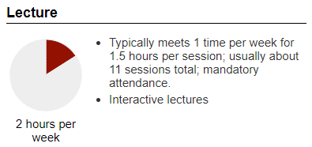
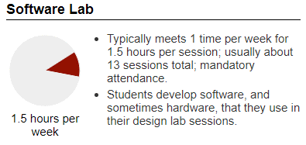
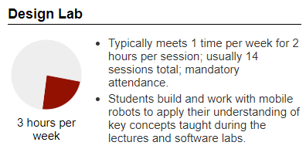
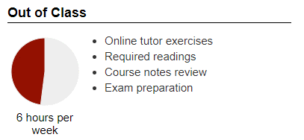
During an average week, students were expected to spend 12.5 hours on the course, roughly divided as follows:

